Sheet1
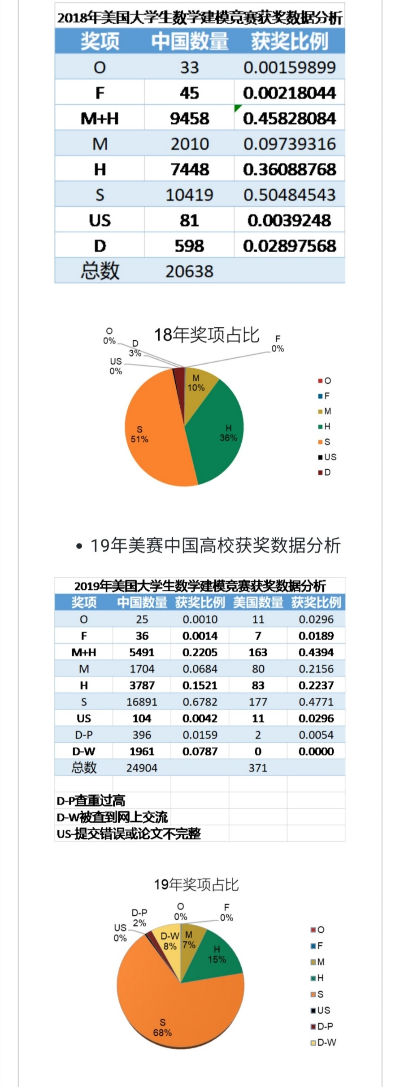
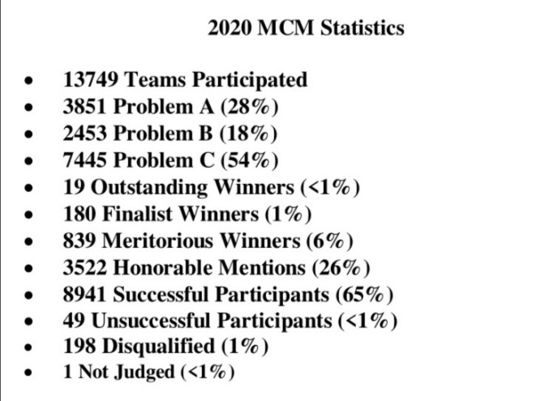
2020年美赛总数据分析 |  |  |  |  |  |  |  |  |  |  | 19年 |  |  |  |  | 20年
学校 | 获奖数 | O数 | F数 | M数 | H数 | S数 | M占比 | H占比 | M+H占比 | S占比 | 奖项 | 中国数量 | 获奖比例 | 美国数量 | 获奖比例 | 奖项 | 中国数量 | 获奖比例 | 美国数量 | 获奖比例
大连理工大学 | 458 | 0 | 5 | 19 | 88 | 346 | 0.041 | 0.192 | 0.234 | 0.755 | O | 25 | 0.0010038548024 | 11 | 0.029649595687 | O | 33 | 0.0017722878625 | 4 | 0.010126582278
哈尔滨工业大学 | 360 | 1 | 9 | 22 | 71 | 257 | 0.061 | 0.197 | 0.258 | 0.714 | F | 36 | 0.0014455509155 | 7 | 0.018867924528 | F | 365 | 0.019602577873 | 8 | 0.020253164557
吉林大学 | 335 | 0 | 3 | 21 | 69 | 242 | 0.063 | 0.206 | 0.269 | 0.722 | M+H | 5491 | 0.22048666881 | 163 | 0.43935309973 | M+H | 5491 | 0.29489795918 | 53 | 0.13417721519
中山大学 | 330 | 0 | 6 | 29 | 105 | 190 | 0.088 | 0.318 | 0.406 | 0.576 | M | 1704 | 0.068422743334 | 80 | 0.21563342318 | M | 1269 | 0.068152524168 | 11 | 0.027848101266
武汉大学 | 309 | 1 | 5 | 31 | 79 | 193 | 0.100 | 0.256 | 0.356 | 0.625 | H | 3787 | 0.15206392547 | 83 | 0.22371967655 | H | 4589 | 0.24645542427 | 42 | 0.10632911392
上海交通大学 | 292 | 3 | 20 | 56 | 111 | 102 | 0.192 | 0.380 | 0.572 | 0.349 | S | 16891 | 0.67824445872 | 177 | 0.47708894879 | S | 11965 | 0.64258861439 | 320 | 0.81012658228
华南理工大学 | 279 | 2 | 4 | 24 | 83 | 166 | 0.086 | 0.297 | 0.384 | 0.595 | US | 104 | 0.0041760359782 | 11 | 0.029649595687 | US | 66 | 0.003544575725 | 9 | 0.022784810127
北京航空航天大学 | 274 | 0 | 4 | 21 | 72 | 177 | 0.077 | 0.263 | 0.339 | 0.646 | D-P | 396 | 0.015901060071 | 2 | 0.0053908355795 | D-P | 333 | 0.017883995704 | 1 | 0.0025316455696
华中科技大学 | 245 | 0 | 8 | 21 | 76 | 140 | 0.086 | 0.310 | 0.396 | 0.571 | 总数 | 24904 |  | 371 |  | 总数 | 18620 |  | 395
北京师范大学 | 244 | 2 | 13 | 26 | 70 | 133 | 0.107 | 0.287 | 0.393 | 0.545
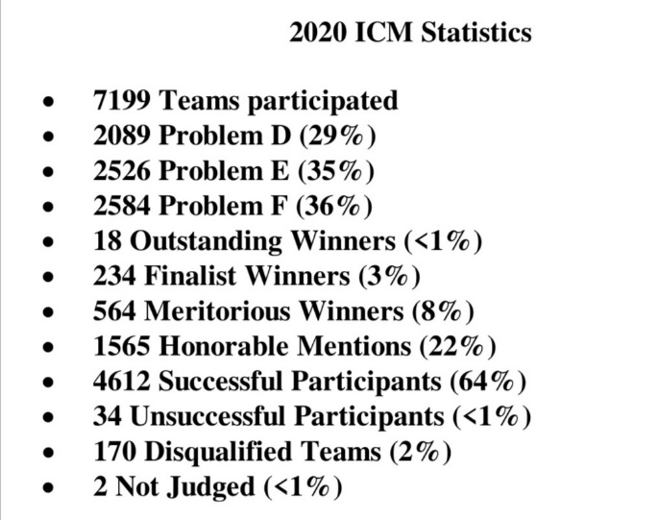
四川大学 | 213 | 0 | 3 | 11 | 65 | 134 | 0.052 | 0.305 | 0.357 | 0.629 | D-P查重过高
中国农业大学 | 192 | 0 | 6 | 2 | 34 | 150 | 0.010 | 0.177 | 0.188 | 0.781 | D-W被查到网上交流
中南大学 | 191 | 0 | 6 | 23 | 51 | 111 | 0.120 | 0.267 | 0.387 | 0.581 | US-提交错误或论文不完整
天津大学 | 189 | 0 | 4 | 11 | 52 | 122 | 0.058 | 0.275 | 0.333 | 0.646
厦门大学 | 181 | 0 | 6 | 18 | 39 | 118 | 0.099 | 0.215 | 0.315 | 0.652
2019年美赛获奖数前十双一流院校
浙江大学 | 169 | 0 | 4 | 17 | 60 | 88 | 0.101 | 0.355 | 0.456 | 0.521
电子科技大学 | 163 | 2 | 3 | 24 | 73 | 61 | 0.147 | 0.448 | 0.595 | 0.374
重庆大学 | 147 | 0 | 1 | 11 | 51 | 84 | 0.075 | 0.347 | 0.422 | 0.571
山东大学 | 137 | 0 | 1 | 6 | 32 | 98 | 0.044 | 0.234 | 0.277 | 0.715
西北农林科技大学 | 135 | 0 | 2 | 7 | 25 | 101 | 0.052 | 0.185 | 0.237 | 0.748
获F&O奖数前十双一流院校
西安交通大学 | 134 | 4 | 10 | 13 | 52 | 55 | 0.097 | 0.388 | 0.485 | 0.410
中国人民大学 | 133 | 0 | 4 | 10 | 48 | 71 | 0.075 | 0.361 | 0.436 | 0.534
湖南大学 | 130 | 0 | 0 | 7 | 30 | 93 | 0.054 | 0.231 | 0.285 | 0.715
北京理工大学 | 125 | 1 | 5 | 5 | 38 | 76 | 0.040 | 0.304 | 0.344 | 0.608
获得D数量前十的双一流院校
大连理工大学 | 1
哈尔滨工业大学
吉林大学
中山大学
武汉大学
上海交通大学
华南理工大学
北京航空航天大学
华中科技大学
南开大学 | 121 | 0 | 5 | 12 | 24 | 80 | 0.099 | 0.198 | 0.298 | 0.661
云南大学 | 115 | 0 | 3 | 2 | 20 | 90 | 0.017 | 0.174 | 0.191 | 0.783
郑州大学 | 110 | 0 | 1 | 8 | 39 | 62 | 0.073 | 0.355 | 0.427 | 0.564
中央民族大学 | 107 | 0 | 3 | 13 | 24 | 67 | 0.121 | 0.224 | 0.346 | 0.626
同济大学 | 105 | 0 | 4 | 5 | 35 | 61 | 0.048 | 0.333 | 0.381 | 0.581
中国海洋大学 | 103 | 0 | 1 | 3 | 24 | 75 | 0.029 | 0.233 | 0.262 | 0.728
南京大学 | 99 | 0 | 2 | 9 | 32 | 56 | 0.091 | 0.323 | 0.414 | 0.566
华东师范大学 | 92 | 0 | 6 | 7 | 36 | 43 | 0.076 | 0.391 | 0.467 | 0.467
东南大学 | 83 | 0 | 8 | 12 | 32 | 31 | 0.145 | 0.386 | 0.530 | 0.373
清华大学 | 77 | 0 | 3 | 3 | 23 | 48 | 0.039 | 0.299 | 0.338 | 0.623
东北大学 | 72 | 0 | 3 | 13 | 20 | 36 | 0.181 | 0.278 | 0.458 | 0.500
国防科技大学 | 69 | 0 | 0 | 7 | 19 | 43 | 0.101 | 0.275 | 0.377 | 0.623
北京大学 | 60 | 0 | 1 | 4 | 19 | 36 | 0.067 | 0.317 | 0.383 | 0.600
获得H及以上奖比例前十的双一流院校
复旦大学 | 47 | 0 | 1 | 7 | 14 | 25 | 0.149 | 0.298 | 0.447 | 0.532
兰州大学 | 28 | 0 | 0 | 0 | 7 | 21 | 0.000 | 0.250 | 0.250 | 0.750
中国科学技术大学 | 17 | 0 | 0 | 4 | 2 | 11 | 0.235 | 0.118 | 0.353 | 0.647
新疆大学 | 7 | 0 | 0 | 2 | 2 | 3 | 0.286 | 0.286 | 0.571 | 0.429

总参加人数 | 6924

Sheet2
2019年美国大学生数学建模竞赛获奖数据分析 |  |  |  |  |  | 2018年美国大学生数学建模竞赛获奖数据分析
奖项 | 中国数量 | 获奖比例 | 美国数量 | 获奖比例 |  | 奖项 | 中国数量 | 获奖比例
O | 25 | 0.0010 | 11 | 0.0296 |  | O | 33 | 0.0015989921504
F | 36 | 0.0014 | 7 | 0.0189 |  | F | 45 | 0.0021804438415
M+H | 5491 | 0.2205 | 163 | 0.4394 |  | M+H | 9458 | 0.45828084117
M | 1704 | 0.0684 | 80 | 0.2156 |  | M | 2010 | 0.097393158252
H | 3787 | 0.1521 | 83 | 0.2237 |  | H | 7448 | 0.36088768292
S | 16891 | 0.6782 | 177 | 0.4771 |  | S | 10419 | 0.50484543076
US | 104 | 0.0042 | 11 | 0.0296 |  | US | 81 | 0.0039247989146
D-P | 396 | 0.0159 | 2 | 0.0054 |  | D | 598 | 0.028975675938
D-W | 1961 | 0.0787 | 0 | 0.0000 |  | 总数 | 20638
总数 | 24904 |  | 371

D-P查重过高
D-W被查到网上交流
US-提交错误或论文不完整

2020年选题比例
A | D | E | B | C | F
518 | 233 | 424 | 532 | 1169 | 470
第一阶段选题比例
第二阶段选题比例

18年奖项占比
O | 0.0015989921504
F | 0.0021804438415
M | 0.097393158252
H | 0.36088768292
S | 0.50484543076
US | 0.0039247989146
D | 0.028975675938
19年奖项占比
O | 0.0010
F | 0.0014
M | 0.0684
H | 0.1521
S | 0.6782
US | 0.0042
D-P | 0.0159
D-W | 0.0787

Sheet3
